Songs dashbord excel
SUM OF HIGHEST POSITION REACH
18485
SUM POINTS OF TOTAL
1023458
COUNT OF ARTIST
400

DIRECTED BY
Steve Jobs

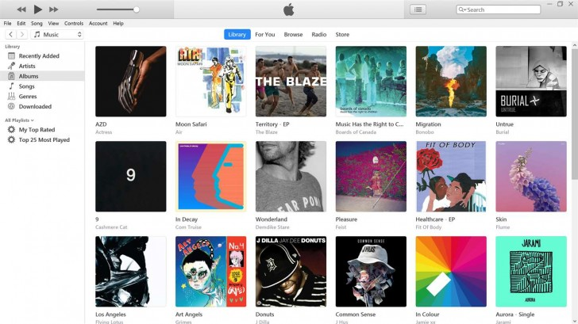
 | Highest Position Reached by Each Artist | Extra Points For Each Artist
 | Total
Apache 207 | 2954
Charli xcx & Billie Eilish | 16184
Jelly Roll | 2660
Jessie Murph & Teddy Swims | 4266
Jimin | 19760
KUN | 10389
Marilyn Manson | 9453
RÃƒÂœFÃƒÂœS DU SOL | 2279
Red Velvet | 2368
Stell | 2681
 | Total
Jimin | 1
Wiz Khalifa | 1
Katy Perry | 1
Adele | 1
*NSYNC | 1
Benson Boone | 1
Beyoncea | 1
Billie Eilish | 1
Coldplay | 1
Lady Gaga & Bradley Cooper | 1
Disturbed | 1
Lewis Capaldi | 1
Ed Sheeran | 1
Mark Ronson | 1
Fun. | 1
Miley Cyrus | 1
AC/DC | 1
P!nk | 1
Daft Punk | 1
Pitbull | 1
Eminem | 1
Sabrina Carpenter | 1
The Cranberries | 1
Shaboozey | 1
Hozier | 1
Taylor Swift | 1
Dua Lipa | 1
Teddy Swims | 1
Lady Gaga | 2
Lilly Wood & the Prick & Robin Schulz | 2
Charli xcx & Billie Eilish | 2
Loreen | 2
Stray Kids | 2
Sia | 3
Rema & Selena Gomez | 3
Bruno Mars | 3
Artemas | 3
David Guetta & OneRepublic | 3
Calum Scott | 4
Kendrick Lamar | 5
Creepy Nuts | 5
Post Malone | 5
Cyril | 5
JADE | 6
Jaxomy, Agatino Romero & Raffaella Cary | 7
SZA | 8
Marilyn Manson | 9
Myles Smith | 9
Noah Kahan | 10
Dasha | 10
...

 | Position Change of Each Song | Total Points For Each Song
 | Total
A Bar Song | -1
A Sky Full of Stars | -14
A Thousand Years | -54
Adangaatha Asuran | -59
Adrenaline | -9
Afterglow | 0
Ain't No Love In Oklahoma | -4
Alibi | 6
Always Remember Us This Way | -10
Amazing | 39
Angel Of My Dreams | -25
Anino | 0
Anthrazit Forever | 0
Anti-Hero | -13
Ao To Natsu | 37
Apple | -4
Arm's Length | 0
As Sick As The Secrets Within | 0
Austin | -2
Baby, You're the One | -11
Bauch Beine Po | 2
Be Mine | 83
Beautiful Things | -1
Bed Peace | 81
Belong Together | 0
Big Dawgs | 6
BIRDS OF A FEATHER | -2
Black Friday | -30
Bling-Bang-Bang-Born | 24
Butai ni tatte | 1
Bye Bye Bye | -5
Calm Down | -29
Chandelier | -60
Cherish | -45
Chevrolet | 25
Chk Chk Boom | -36
Classic | 0
Cowgirls | 14
Cruel Summer | 2
Curtain Call | 2
Dance the Night Away | -72
Dead End Road | -84
Delusion:All | -32
DEVIL IS A LIE | -37
Dirt Cheap | 0
Dirty | 0
Don't Stop Believin' | 135
Down Under | 42
Dream Stealer | -28
Einfach Machen | -19
...
 | Total
Be Mine | 25135
BIRDS OF A FEATHER | 24680
Bye Bye Bye | 23800
A Bar Song | 23404
Beautiful Things | 21701
The Sound of Silence | 21384
Houdini | 19889
Too Sweet | 19417
Lose Control | 19405
feelslikeimfallinginlove | 18762
Stargazing | 17982
Stumblin' In | 17240
Who | 16732
Espresso | 16457
Guess | 16184
Good Luck, Babe | 14503
I Don't Wanna Wait | 14080
The Door | 13419
Austin | 12207
Lonely Road | 11459
Belong Together | 10744
Not Like Us | 10439
Please Please Please | 10327
Move | 10077
Pedro | 10002
Si Antes Te Hubiera Conocido | 9996
Alibi | 9759
I Had Some Help | 9534
As Sick As The Secrets Within | 9453
Cruel Summer | 8767
Like a Prayer | 8641
Always Remember Us This Way | 7911
i like the way you kiss me | 7872
Guy For That | 7815
Ain't No Love In Oklahoma | 7540
Big Dawgs | 7151
you look like you love me | 7055
A Sky Full of Stars | 6796
Pour Me A Drink | 6670
Chk Chk Boom | 6589
That's Who I Praise | 6484
Bed Peace | 6302
Miles on It | 6207
I Am Not Okay | 6132
I Adore You | 6091
TEXAS HOLD 'EM | 5969
Fortnight | 5645
Sweet Dreams | 5590
Remedy | 5024
Cherish | 4997
...

